Sheet1
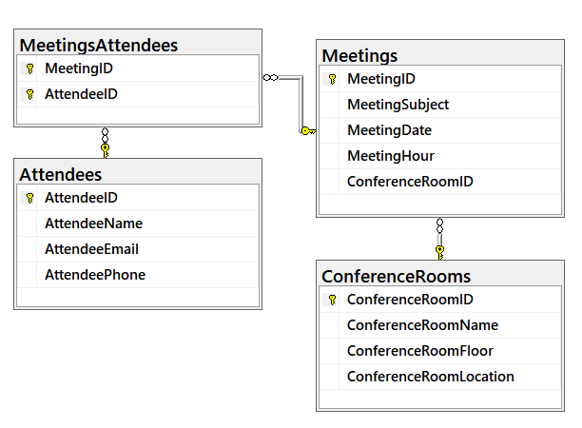
ColumnFullName | DataType | IsNullable | Is Primary Key | Is Unique | Is Foreign Key | Has Check | Has Default
dbo.Attendees.AttendeeID | int | No | Yes | Yes | No | No | Yes (identity)
dbo.Attendees.AttendeeName | nvarchar (100) | No
dbo.Attendees.AttendeeEmail | nvarchar (100) | No
dbo.Attendees.AttendeePhone | nvarchar (100) | No
dbo.ConferenceRooms.ConferenceRoomID | int | No
dbo.ConferenceRooms.ConferenceRoomName | nvarchar (100) | No
dbo.ConferenceRooms.ConferenceRoomFloor | int | No
dbo.ConferenceRooms.ConferenceRoomLocation | nvarchar (100) | No
dbo.Meetings.MeetingID | int | No
dbo.Meetings.MeetingSubject | nvarchar (100) | No
dbo.Meetings.MeetingDate | date | No
dbo.Meetings.MeetingHour | int | No
dbo.Meetings.ConferenceRoomID | int | No
dbo.MeetingsAttendees.MeetingID | int | No
dbo.MeetingsAttendees.AttendeeID | int | No

